Sheet1
Solar Cells: |  | Output: |  | Orbital Config: | (400km SSO) | Timing:
Current (mA) | 14.6 | Average (mW) | 657.6813333 | Umbra (m) | 35.9 | Tx Time (s) | 4
Voltage (V) | 2.33 | Max (mW) | 1088.576 | Sunlight (m) | 56.64 | Rx Time (s) | 4
45º Efficiency | 0.75 | Min (mW) | 476.252 |  |  | Sleep Time (s) | 1

Z + |  | Y - |  | Power Config |  | Results:
0º Panel Cells | 8 | 0º Panel Cells | 8 | Tx Draw (mW) | 396 | Average Draw (mW) | 298.2222222
45º Panel Cells | 32 | 45º Panel Cells | 8 | Rx Draw (mW) | 99 | Charge (mW) | 260.8069111
 |  |  |  | Sleep Draw (mW) | 33 | mWh Charged | 246.2017241
Z - |  | Y + |  | Regulator Eff | 0.75 | mWh Drawn | 178.4362963
0º Panel Cells | 8 | 0º Panel Cells | 8 | MPPT Eff | 0.85 | Ratio | 1.379773786
45º Panel Cells | 32 | 45º Panel Cells | 8 | Capacity (mAh) | 1000
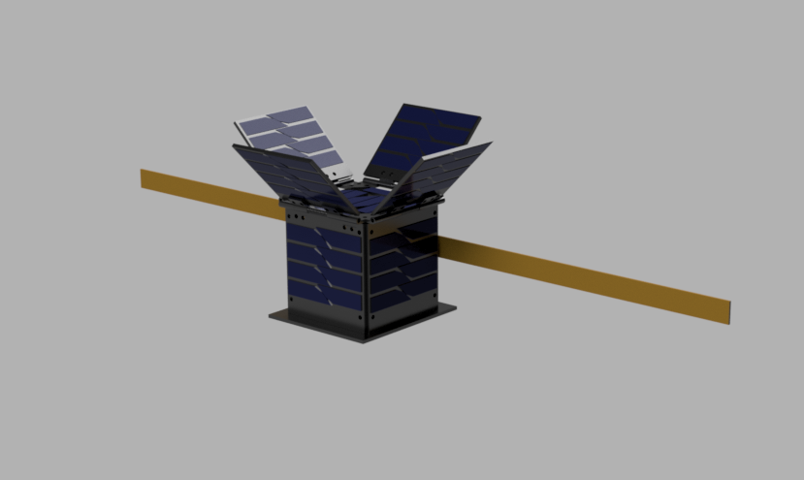
Z -
Y +
Y -
X -
X +
Z +
X +
0º Panel Cells | 4
45º Panel Cells | 8

X -
0º Panel Cells | 8
45º Panel Cells | 8

